Downsize
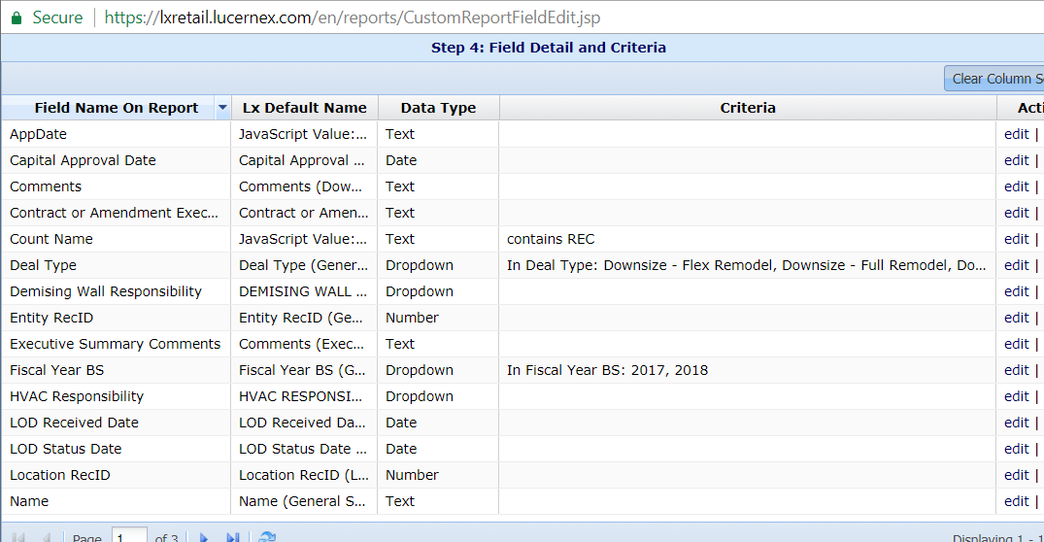
TaskItem.ActualEndDate
Field Context: Capital Approval

var valueToSet = 'NewFieldPlaceholder';
var Appdate = '${Task.ActualEndDate:{TaskName:"Capital Approval"}}';
var D0 = new Date(Appdate);
var D1 = '${Firm.CurrentDate}';
var now = new Date(D1);
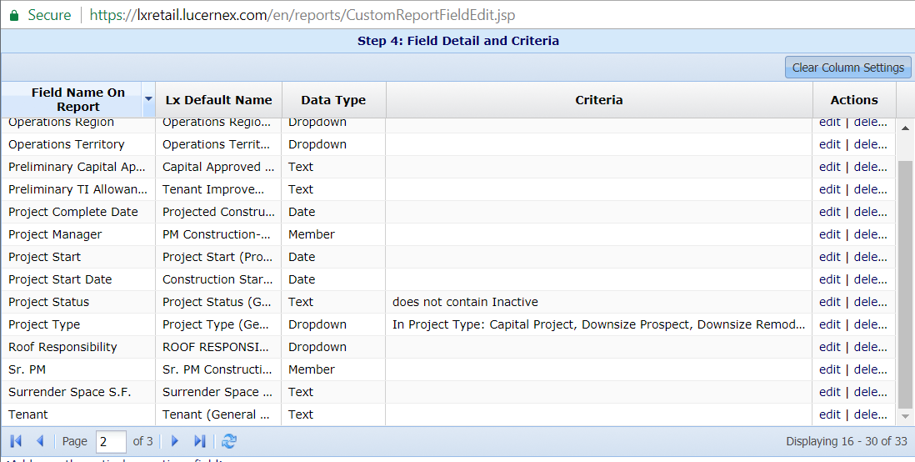
var D2 = now.getTime()/(24*60*60*1000);
var D3 = D0.getTime()/(24*60*60*1000);
var keep = (D3 < D2) ? 1:0;
valueToSet = keep;

var valueToSet = 'NewFieldPlaceholder';
var Appdate = '${Task.ActualEndDate:{TaskName:"Capital Approval"}}';
var D0 = new Date(Appdate);
var D1 = '${Firm.CurrentDate}';
var now = new Date(D1);
var D2 = now.getTime()/(24*60*60*1000);
var D3 = D0.getTime()/(24*60*60*1000);
var keep = (D3 < D2) ? "REC Approved":"Pending Review";
valueToSet = keep;

asc842 codes
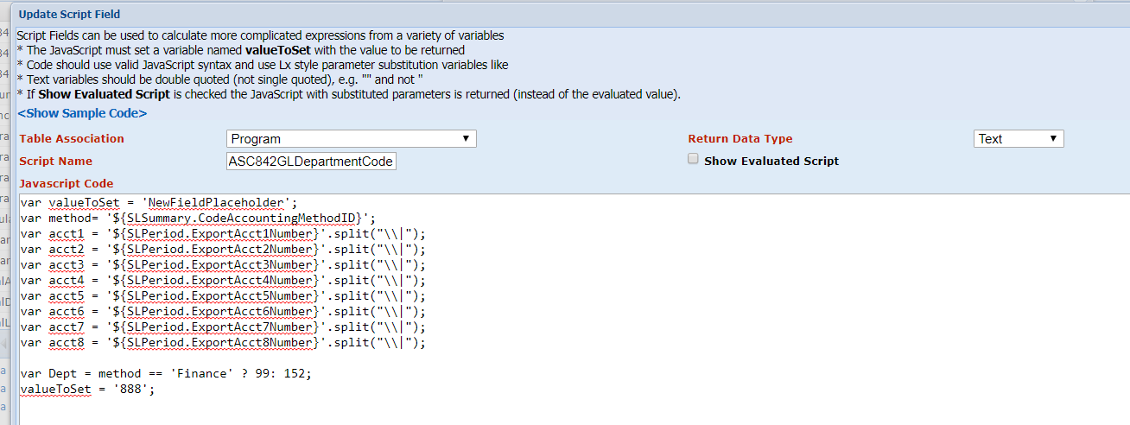
ProjectEntity.TotalSiteRatingGrade
 | Program
 | ASC842GLDepartmentCode
Site Grade
var valueToSet = 'NewFieldPlaceholder'; | var valueToSet = 'NewFieldPlaceholder';
var SiteGrade = '${ProjectEntity.TotalSiteRatingGrade}'; | var method= '${SLSummary.CodeAccountingMethodID}';
var Keep = SiteGrade == 'D' ? 'keep':SiteGrade == 'F' ? 'keep':'excl'; | var acct1 = '${SLPeriod.ExportAcct1Number}'.split("\\|");
valueToSet = Keep; | var acct2 = '${SLPeriod.ExportAcct2Number}'.split("\\|");
 | var acct3 = '${SLPeriod.ExportAcct3Number}'.split("\\|");
 | var acct4 = '${SLPeriod.ExportAcct4Number}'.split("\\|");
 | var acct5 = '${SLPeriod.ExportAcct5Number}'.split("\\|");
 | var acct6 = '${SLPeriod.ExportAcct6Number}'.split("\\|");
 | var acct7 = '${SLPeriod.ExportAcct7Number}'.split("\\|");
 | var acct8 = '${SLPeriod.ExportAcct8Number}'.split("\\|");
var valueToSet = 'NewFieldPlaceholder';
var acct = '${SLPeriod.ExportAcct1Number}'; | var Dept = method == 'Finance' ? 99: 152;
var Dept = acct == 1710 || acct == 2300 || acct == 2504 || acct == 2510 ? 99:152; | valueToSet = '888';
valueToSet = Dept;

